REEBOK-Mens
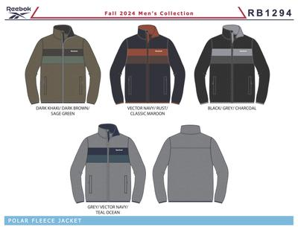
Brand | ATS Group | ATS Sub-Group | Image | Body Sketch |  | ATS Group | ATS Sub-Group | Style Name | Style | Style CAT | Color Name | Color Code | Label | Dimpk | ATS Size | PPK | MSRP | price | Stock ATS
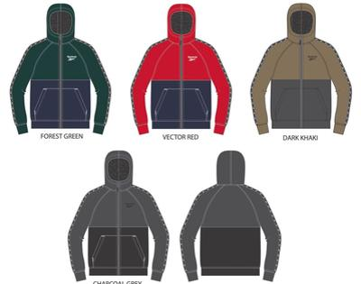 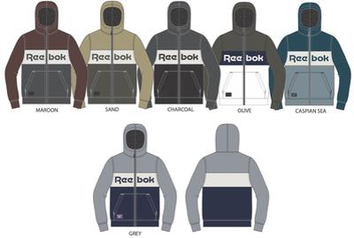 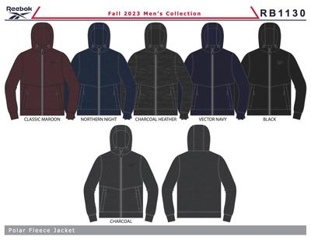 |  |  |  | RB1294 | BCOMRB1294BLACKMM6B | - |  | OMRB1294 POLAR FLEECE | OMRB1294 |  | BLACK | 001AA |  | M6B | M | 6pc PPK=M-L-XL-XXL=1-2-2-1 | $80.00 | $16.99 | 4,200
 |  |  |  |  | BCOMRB1294DARK KHAKIMM6B | - |  | OMRB1294 POLAR FLEECE | OMRB1294 |  | DARK KHAKI | 215AA |  | M6B | M | 6pc PPK=M-L-XL-XXL=1-2-2-1 | $80.00 | $16.99 | 1,644
 |  |  |  |  | BCOMRB1294GREYMM6B | - |  | OMRB1294 POLAR FLEECE | OMRB1294 |  | GREY | 01G |  | M6B | M | 6pc PPK=M-L-XL-XXL=1-2-2-1 | $80.00 | $16.99 | 1,536
 |  |  |  |  | BCOMRB1294VECTOR NAVYMDX6MRR | - |  | OMRB1294 POLAR FLEECE | OMRB1294 |  | VECTOR NAVY | BU56 | RR | DX6M | M | Solid 6ps sz XXL | $80.00 | $16.99 | 6
 |  |  |  |  | BCOMRB1294VECTOR NAVYMM6B | - |  | OMRB1294 POLAR FLEECE | OMRB1294 |  | VECTOR NAVY | BU56 |  | M6B | M | 6pc PPK=M-L-XL-XXL=1-2-2-1 | $80.00 | $16.99 | 1,938
 |  |  |  |  | BCOMRB1294VECTOR NAVYMM6MRR | - |  | OMRB1294 POLAR FLEECE | OMRB1294 |  | VECTOR NAVY | BU56 | RR | M6M | M | Solid 6pcs sz M | $80.00 | $16.99 | 6
 |  |  |  |  | BCOMRB1396BLACKMM6A | - |  | OMRB1396 ZIP FRT HOODIE | OMRB1396 |  | BLACK | 001AA |  | M6A | M | 6pc S-M-L-XL=1-2-2-1 | $60.00 | $15.99 | 4,260
 |  |  |  |  | BCOMRB1396BLACKMM6AGB | - |  | OMRB1396 ZIP FRT HOODIE | OMRB1396 |  | BLACK | 001AA | GB | M6A | M | 6pc S-M-L-XL=1-2-2-1 | $60.00 | $15.99 | 360
 |  |  |  |  | BCOMRB1396BLACKMM6ARS | - |  | OMRB1396 ZIP FRT HOODIE | OMRB1396 |  | BLACK | 001AA | RS | M6A | M | 6pc S-M-L-XL=1-2-2-1 | $60.00 | $15.99 | 6
 |  |  |  |  | BCOMRB1396DARK KHAKIMM6A | - |  | OMRB1396 ZIP FRT HOODIE | OMRB1396 |  | DARK KHAKI | 215AA |  | M6A | M | 6pc S-M-L-XL=1-2-2-1 | $60.00 | $15.99 | 1,836
 |  |  |  |  | BCOMRB1396DARK KHAKIMM6ARS | - |  | OMRB1396 ZIP FRT HOODIE | OMRB1396 |  | DARK KHAKI | 215AA | RS | M6A | M | 6pc S-M-L-XL=1-2-2-1 | $60.00 | $15.99 | 6
 |  |  |  |  | BCOMRB1396GREY HEATHERMM6A | - |  | OMRB1396 ZIP FRT HOODIE | OMRB1396 |  | GREY HEATHER | GRYHE |  | M6A | M | 6pc S-M-L-XL=1-2-2-1 | $60.00 | $15.99 | 3,228
 |  |  |  |  | BCOMRB1396GREY HEATHERMM6AGB | - |  | OMRB1396 ZIP FRT HOODIE | OMRB1396 |  | GREY HEATHER | GRYHE | GB | M6A | M | 6pc S-M-L-XL=1-2-2-1 | $60.00 | $15.99 | 204
 |  |  |  |  | BCOMRB1396VECTOR NAVYMM6A | - |  | OMRB1396 ZIP FRT HOODIE | OMRB1396 |  | VECTOR NAVY | BU56 |  | M6A | M | 6pc S-M-L-XL=1-2-2-1 | $60.00 | $15.99 | 2,178
 |  |  |  | RB1409 | BCOMRB1409CHARCOAL GREYMM6AGB | - |  | OMRB1409 ZIP FRT HOODIE | OMRB1409 |  | CHARCOAL GREY | CHARG | GB | M6A | M | 6pc S-M-L-XL=1-2-2-1 | $60.00 | $15.99 | 282
 |  |  |  |  | BCOMRB1409DARK KHAKIMM6A | - |  | OMRB1409 ZIP FRT HOODIE | OMRB1409 |  | DARK KHAKI | 215AA |  | M6A | M | 6pc S-M-L-XL=1-2-2-1 | $60.00 | $15.99 | 2,244
 |  |  |  |  | BCOMRB1409DARK KHAKIMM6ARS | - |  | OMRB1409 ZIP FRT HOODIE | OMRB1409 |  | DARK KHAKI | 215AA | RS | M6A | M | 6pc S-M-L-XL=1-2-2-1 | $60.00 | $15.99 | 12
 |  |  |  |  | BCOMRB1409FOREST GREENMM6A | - |  | OMRB1409 ZIP FRT HOODIE | OMRB1409 |  | FOREST GREEN | FGRN |  | M6A | M | 6pc S-M-L-XL=1-2-2-1 | $60.00 | $15.99 | 840
 |  |  |  |  | BCOMRB1409FOREST GREENMM6ARS | - |  | OMRB1409 ZIP FRT HOODIE | OMRB1409 |  | FOREST GREEN | FGRN | RS | M6A | M | 6pc S-M-L-XL=1-2-2-1 | $60.00 | $15.99 | 3,240
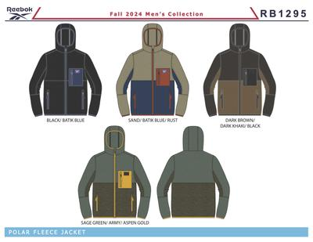
 |  |  |  |  | BCOMRB1409VECTOR REDMM6A | - |  | OMRB1409 ZIP FRT HOODIE | OMRB1409 |  | VECTOR RED | RD94 |  | M6A | M | 6pc S-M-L-XL=1-2-2-1 | $60.00 | $15.99 | 1,062
 |  |  |  | RB1295 | BCOMRB1295BLACKMM6B | - |  | OMRB1295 POLAR FLEECE | OMRB1295 |  | BLACK | 001AA |  | M6B | M | 6pc PPK=M-L-XL-XXL=1-2-2-1 | $80.00 | $16.99 | 12,654
 |  |  |  |  | BCOMRB1295BLACKMM6DR4 | - |  | OMRB1295 POLAR FLEECE | OMRB1295 |  | BLACK | 001AA | R4 | M6D | M | 6pc PPK=S-M-L-XL=1-2-2-1 | $80.00 | $16.99 | 3,594
 |  |  |  |  | BCOMRB1295DK BROWNMM6DR5 | - |  | OMRB1295 POLAR FLEECE | OMRB1295 |  | DK BROWN | DBR | R5 | M6D | M | 6pc PPK=S-M-L-XL=1-2-2-1 | $80.00 | $16.99 | 3,204
 |  |  |  |  | BCOMRB1295SAGE GREENMM6B | - |  | OMRB1295 POLAR FLEECE | OMRB1295 |  | SAGE GREEN | SAGN |  | M6B | M | 6pc PPK=M-L-XL-XXL=1-2-2-1 | $80.00 | $16.99 | 2,454
 |  |  |  |  | BCOMRB1295SANDMM6B | - |  | OMRB1295 POLAR FLEECE | OMRB1295 |  | SAND | 25B |  | M6B | M | 6pc PPK=M-L-XL-XXL=1-2-2-1 | $80.00 | $16.99 | 954
 |  |  |  | RB1398 | BCOMRB1398CASPIAN SEAMM6A | - |  | OMRB1398 ZIP FRT HOODIE | OMRB1398 |  | CASPIAN SEA | CAPS |  | M6A | M | 6pc S-M-L-XL=1-2-2-1 | $60.00 | $15.99 | 1,158
 |  |  |  |  | BCOMRB1398CHARCOALMM6A | - |  | OMRB1398 ZIP FRT HOODIE | OMRB1398 |  | CHARCOAL | 10G |  | M6A | M | 6pc S-M-L-XL=1-2-2-1 | $60.00 | $15.99 | 1,620
 |  |  |  |  | BCOMRB1398CHARCOALMM6AGB | - |  | OMRB1398 ZIP FRT HOODIE | OMRB1398 |  | CHARCOAL | 10G | GB | M6A | M | 6pc S-M-L-XL=1-2-2-1 | $60.00 | $15.99 | 360
 |  |  |  |  | BCOMRB1398GREYMM6A | - |  | OMRB1398 ZIP FRT HOODIE | OMRB1398 |  | GREY | 01G |  | M6A | M | 6pc S-M-L-XL=1-2-2-1 | $60.00 | $15.99 | 1,140
 |  |  |  |  | BCOMRB1398MAROONMM6A | - |  | OMRB1398 ZIP FRT HOODIE | OMRB1398 |  | MAROON | 600AH |  | M6A | M | 6pc S-M-L-XL=1-2-2-1 | $60.00 | $15.99 | 1,404
 |  |  |  |  | BCOMRB1398OLIVEMM6A | - |  | OMRB1398 ZIP FRT HOODIE | OMRB1398 |  | OLIVE | 330AA |  | M6A | M | 6pc S-M-L-XL=1-2-2-1 | $60.00 | $15.99 | 684
 |  |  |  |  | BCOMRB1398OLIVEMM6AGB | - |  | OMRB1398 ZIP FRT HOODIE | OMRB1398 |  | OLIVE | 330AA | GB | M6A | M | 6pc S-M-L-XL=1-2-2-1 | $60.00 | $15.99 | 36
 |  |  |  |  | BCOMRB1398SANDMM6A | - |  | OMRB1398 ZIP FRT HOODIE | OMRB1398 |  | SAND | 25B |  | M6A | M | 6pc S-M-L-XL=1-2-2-1 | $60.00 | $15.99 | 612
 |  |  |  |  | BCOMRB1398SANDMM6AGB | - |  | OMRB1398 ZIP FRT HOODIE | OMRB1398 |  | SAND | 25B | GB | M6A | M | 6pc S-M-L-XL=1-2-2-1 | $60.00 | $15.99 | 360
 |  |  |  |  | BCOMRB1398SANDMM6ARS | - |  | OMRB1398 ZIP FRT HOODIE | OMRB1398 |  | SAND | 25B | RS | M6A | M | 6pc S-M-L-XL=1-2-2-1 | $60.00 | $15.99 | 24
 |  |  |  | RB1418 | BCOMRB1418CHARCOAL GREYMM6DR5 | - |  | OMRB1418 POLAR FLEECE | OMRB1418 |  | CHARCOAL GREY | CHARG | R5 | M6D | M | 6pc PPK=S-M-L-XL=1-2-2-1 | $80.00 | $16.99 | 3,204
 |  |  |  |  | BCOMRB1418MAROONMM6DR5 | - |  | OMRB1418 POLAR FLEECE | OMRB1418 |  | MAROON | 600AH | R5 | M6D | M | 6pc PPK=S-M-L-XL=1-2-2-1 | $80.00 | $16.99 | 3,204
 |  |  |  |  | BCOMRB1418VECTOR NAVYMM6DR5 | - |  | OMRB1418 POLAR FLEECE | OMRB1418 |  | VECTOR NAVY | BU56 | R5 | M6D | M | 6pc PPK=S-M-L-XL=1-2-2-1 | $80.00 | $16.99 | 3,204
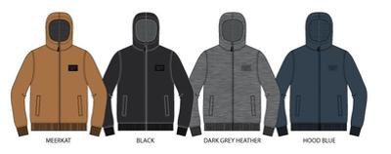
 |  |  |  | OMRB1407 | BCOMRB1407BLACKMM12A | - |  | OMRB1407 SHERPA ZIP FRT FLC HOODIE | OMRB1407 |  | BLACK | 001AA |  | M12A | M | 12pc S-M-L-XL=2-4-4-2 | $80.00 | $16.99 | 4,596
 |  |  |  |  | BCOMRB1407DK GREY HEATHERMM12A | - |  | OMRB1407 SHERPA ZIP FRT FLC HOODIE | OMRB1407 |  | DK GREY HEATHER | DKGH |  | M12A | M | 12pc S-M-L-XL=2-4-4-2 | $80.00 | $16.99 | 576
 |  |  |  |  | BCOMRB1407HOOPS BLUEMM12A | - |  | OMRB1407 SHERPA ZIP FRT FLC HOODIE | OMRB1407 |  | HOOPS BLUE | HOB |  | M12A | M | 12pc S-M-L-XL=2-4-4-2 | $80.00 | $16.99 | 1,656
 |  |  |  |  | BCOMRB1407MEERKATMM12A | - |  | OMRB1407 SHERPA ZIP FRT FLC HOODIE | OMRB1407 |  | MEERKAT | MEER |  | M12A | M | 12pc S-M-L-XL=2-4-4-2 | $80.00 | $16.99 | 1,068
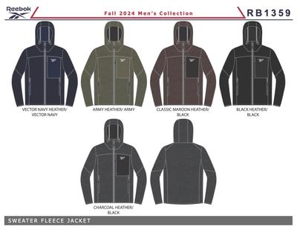
 |  |  |  | RB1359 | BCOMRB1359BLACKMM6B | - |  | OMRB1359 CLIMB JACKET | OMRB1359 |  | BLACK | 001AA |  | M6B | M | 6pc PPK=M-L-XL-XXL=1-2-2-1 | $95.00 | $17.99 | 9,912
 |  |  |  |  | BCOMRB1359CARGO GREENMM6B | - |  | OMRB1359 CLIMB JACKET | OMRB1359 |  | CARGO GREEN | CARGN |  | M6B | M | 6pc PPK=M-L-XL-XXL=1-2-2-1 | $95.00 | $17.99 | 1,584
 |  |  |  |  | BCOMRB1359CHARCOAL HEATHERMM6B | - |  | OMRB1359 CLIMB JACKET | OMRB1359 |  | CHARCOAL HEATHER | CCHH |  | M6B | M | 6pc PPK=M-L-XL-XXL=1-2-2-1 | $95.00 | $17.99 | 2,166
 |  |  |  |  | BCOMRB1359MAROONMM6B | - |  | OMRB1359 CLIMB JACKET | OMRB1359 |  | MAROON | 600AH |  | M6B | M | 6pc PPK=M-L-XL-XXL=1-2-2-1 | $95.00 | $17.99 | 2,580
 |  |  |  |  |  |  |  |  |  |  |  |  |  |  |  |  |  |  | 93,096

